Sheet1
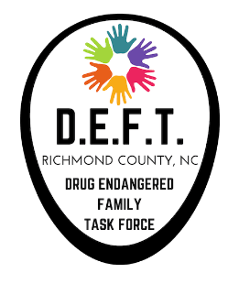
Richmond County Drug Endangered Family Task Force
125 Caroline Street
Rockingham, North Carolina 28379
Program Budget

Program Agency
 | Program Name
 | Funding Year
Category | Line Item | Amount | Narrative
Personnel |  |  | Describe positions and functions

 | Salary/Wages
 | Fringe Benefits
 | Other |  | Explain

Total Personnel |  | $-

Operational Expenses |  |  | Describe each category

Supplies and Materials

Travel/Training

Utilities

Other (incentives, community events, etc.)

Total Operational Expenses |  | $-
 |  |  | Budget requests must include 10% In-Kind or cash match. Explain below.
Indirect Cost/In-Kind

Contractor Match

Total Budgeted Expenditures |  | $-

